1. Title Page
[Instacart Grocery Basket Analysis]

Project Name: Instacart Grocery Basket Analysis
Date: 06/22/24
Analyst Name: Christopher Evangelista

Contents:
Population Flow
Consistency checks
Wrangling steps
Column derivations
Visualizations
Recommendations

2. Population Flow
Title page

Population flow

Exclusion flag
Condition: max_order < 5
Obervations to be removed: 1,440,295
Final total count of order_products_all: 30,964,564

Orders_products_combined
Orders_products_merged
Orders_products_all

Total: 32,434,489
Total: 32,434,489
Total: 32,404,859

1.) The grey boxes in the first row of the population flow represent the original data sets as they were when you downloaded them. In the Total fields you need to add the count of the rows when you imported the data set into Jupyter.
2.) The second row of boxes (coloured) represents the data sets after you manipulated them, e.g., removed missing values and duplicates. In the Total fields you need to add the count of the rows after conducting these operations. This offers a visual oveview of how the data flows throughout the data consistency checks.
3.) The third row, where also the arrows are coloured, represents the merges you performed between the datasets. In the Total fields you need to add the count of the rows in the merged datasets, so that you end up with the final dataset (in the red box). Keep in mind the final dataset should be without exclusions (based on the exclusion flag).

3. Consistency checks
 |  |  |  | Title page
Consistency checks

Dataset | Missing values | Missing values treatment | Duplicates
orders | days_since_prior_order (206,209) | nothing - missing = first order | n/a
products | product_name (16) | removed | n/a
orders_products_prior | n/a | n/a | n/a
customers | n/a | n/a | n/a

4. Wrangling steps
 |  |  |  | Title page
Wrangling steps

Columns dropped | Columns renamed | Columns' type changed | Comment/Reason
eval_set |  |  | not needed
 | order_dow |  | clarity
 |  | order_id => str | dimension
 |  | user_id => str | dimension
First Name |  |  | not needed
Surnam |  |  | not needed
 | gender |  | clarity
 | state |  | clarity
 | age |  | clarity

5. Column derivations
 |  |  |  | Title page

Column derivations and aggregations

In this tab you should add tables below that the frequences of flags/label variables that you produced after deriving them. NB: don't do this for continuous variables, only for flags.
Dataset | New column | Column/s it was derived from | Conditions
ords_prods | first_order | order_number | max order_number = 1
ords_prods | price_range_loc | price | price <= 5 = low-range 5 < price <= 15 = mid-range 15 > price = high-range
ords_prods | busiest_day | order_day_of_week | order_day_of_week = 0 = busiest day, order_day_of_week = 4 = slowest day, else = regularly busy day
ords_prods | busiest_day_2 | order_day_of_week | order_day_of_week = 0 | 1 = busiest day, order_day_of_week = 3 | 4 = slowest day, else = regularly busy day
ords_prods | busiest_period_of_day | order_hour_of_day | order_hour_of_day.isin 9, 10, 11, 12, 13, 14, 15,16 = most orders order_hour_of_day.isin 17, 18, 19, 20, 21, 22, 23, 24 = average orders order_hour_of_day.isin 1, 2, 3, 4, 5, 6, 7, 8 = fewest orders
ords_prods_2 | max_order | order_number | max(order_number)
ords_prods_2 | loyalty_flag | max_order | max order > 40 = loyal 10 < max_order <= 40 = regular max_order <=10 = new customer
ords_prods_2 | user_average_price | price | average(user_id[price])
ords_prods_2 | user_spender_type | user_average_price | user_average_price < 10 = lower spender user_average_price >= 0 = high spender
ords_prods_2 | user_median_days_since | days_since_prior_order | median(days_since_prior_order)
ords_prods_2 | user_order_frequency_flag | user_median_days_since | user_median_days_since <= 10 =frequent 10 < user_median_days_since <= 20 = regular user_median_days_since > 20 = non-frequent
ords_prods_cust | region | state | region_northeast = [ 'Maine', 'New Hampshire', 'Vermont', 'Massachusetts', 'Rhode Island', 'Connecticut', 'New York', 'Pennsylvania', 'New Jersey'] region_midwest = [ 'Wisconsin', 'Michigan', 'Illinois', 'Indiana', 'Ohio', 'North Dakota', 'South Dakota', 'Nebraska', 'Kansas', 'Minnesota', 'Iowa', 'Missouri'] region_south = [ 'Delaware', 'Maryland', 'District of Columbia', 'Virginia', 'West Virginia', 'North Carolina', 'South Carolina', 'Georgia', 'Florida', 'Kentucky', 'Tennessee', 'Mississippi', 'Alabama', 'Oklahoma', 'Texas', 'Arkansas', 'Louisiana'] region_south = [ 'Delaware', 'Maryland', 'District of Columbia', 'Virginia', 'West Virginia', 'North Carolina', 'South Carolina', 'Georgia', 'Florida', 'Kentucky', 'Tennessee', 'Mississippi', 'Alabama', 'Oklahoma', 'Texas', 'Arkansas', 'Louisiana']
ords_prods_cust | age_group | age | age <= 25 = young adult, 25 < age <= 65 = adult, age > 65 = senior
ords_prods_cust | income_group | income | income < 50,000 = low, 50,000 <= income < 100,000 = middle, income >= 100,000 = high
ords_prods_cust | dependants_flag | n_dependants | n_dependants = 0, no dependants, n_dependants > 0, has dependants
ords_prods_cust | pet_owner | department | department = pets = Y, else N
ords_prods_cust | single_adult | fam_status & age_group | fam_status = single & age_group = young adult | adult = Y, else N

6. Visualizations
 | Title page

Visualisations

In this tab you should include all the visualtions from Exercises 4.9 and 4.10, alongside the questions from the project brief that they answer. Include any commentary on the relationship between different variables.


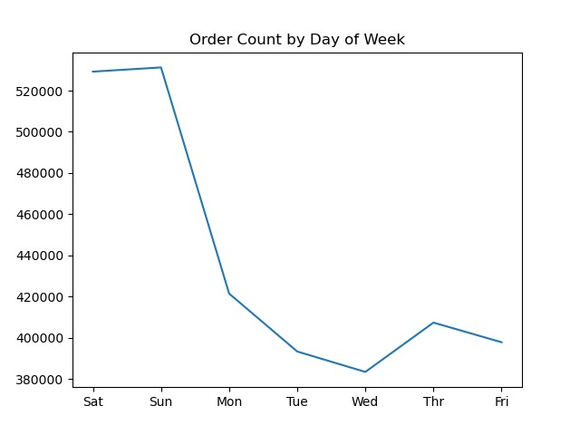
Key Question 1
The sales team needs to know what the busiest days of the week and hours of the day are (i.e., the days and times with the most orders) in order to schedule ads at times when there are fewer orders

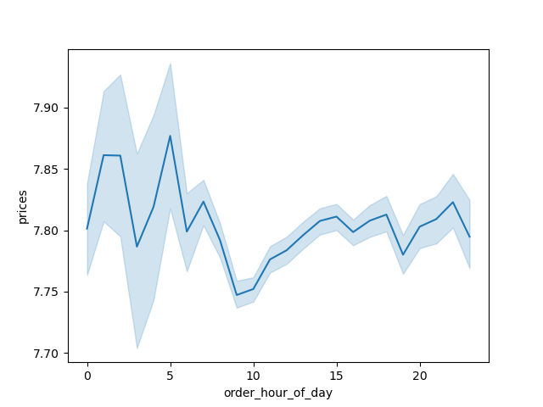
Key Question 2
The also want to know whether there are particular times of the day when people spend the most money, as this might inform the type of products they advertise at these times

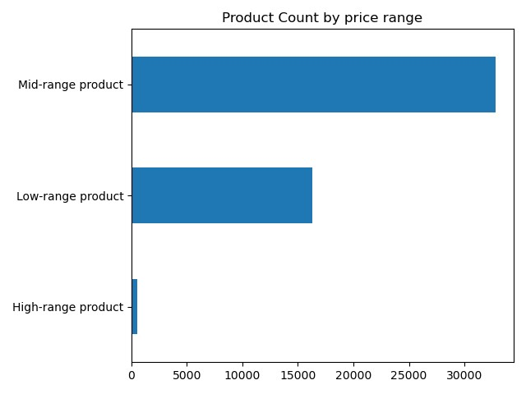
Key Question 3
Instacart has a lot of products with different price tags. Marketing and sales want to use simpler price range groupings to help direct their efforts

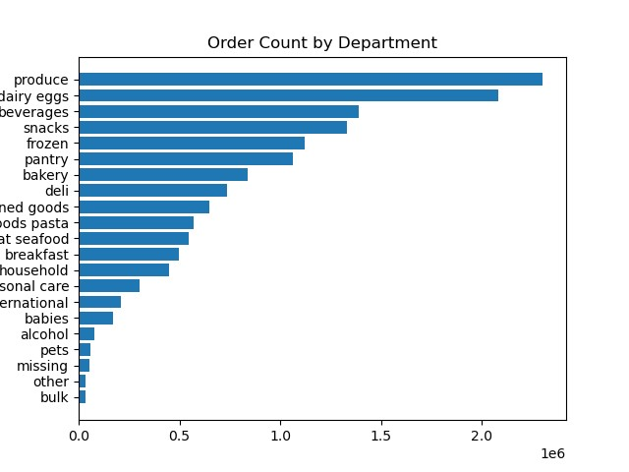
Key Question 4
Are there certain types of products that are more popular than others? The marketing and sales teams want to know which departments have the highest frequency of product orders

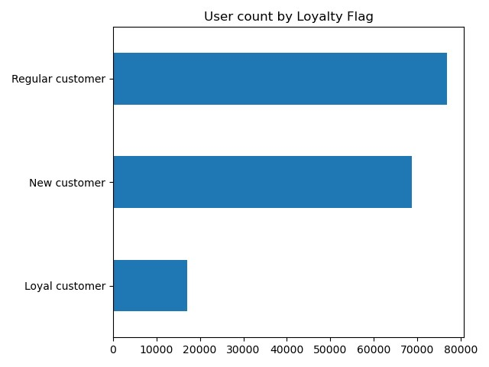
Key Question 5
What's the distribution among users in regards to their brand loyalty (i.e., how often do they return to Instacart)?

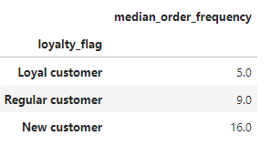
Key Question 6
Are there differences in ordering habits based on a customer's loyalty status

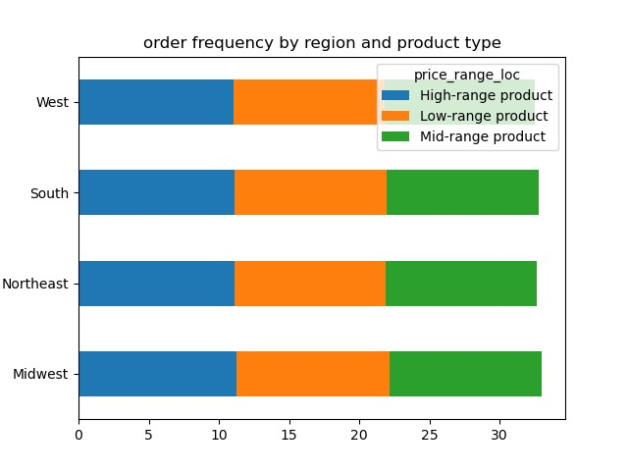
Key Question 7
Are there differences in ordering habits based on a customer's region?

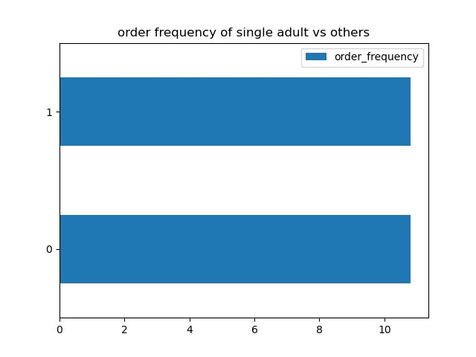
Key Question 8
Is there a connection between age and family status in terms of ordering habits?

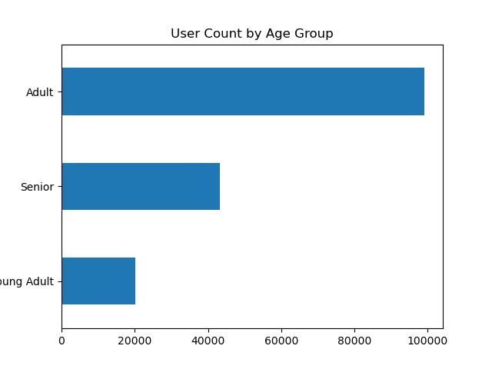
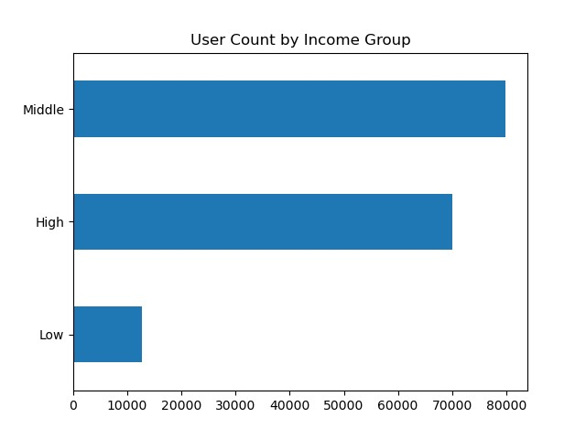
Key Question 9
What different classifcations does the demographic information suggest? Age? Income? Certain types of goods? Family status?

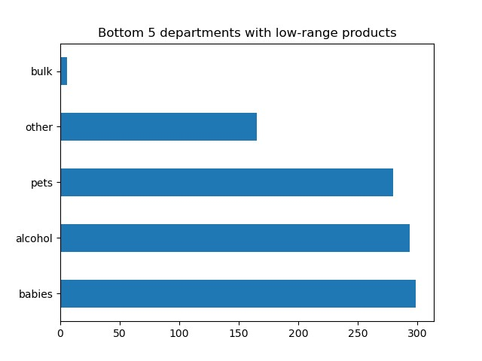
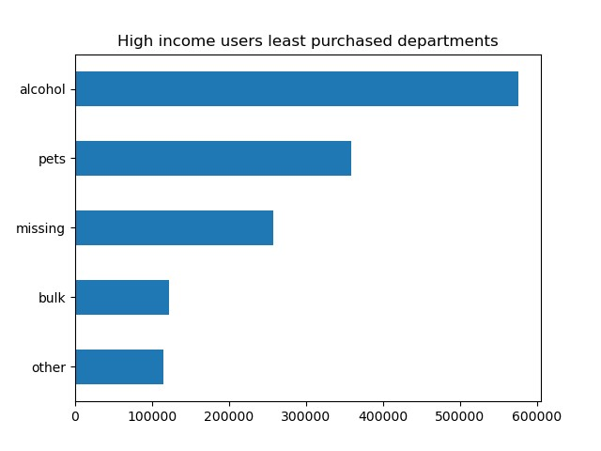

Key Question 10
What differences can you find in ordering habits of different customer profiles? Consider the price of orders, the frequency of orders, the products customers are ordering, and anything else you can think of

7. Recommendations
 |  |  | Title page

Recommendations

In this tab you should include any recommendations you would made to Instcart in terms of their marketing strategy based on the questions posed in the brief. Every key question has been covered in the Tasks of the Exercises - here you need to add an item - a visualisation or table/crosstable that is showing the answer in the data, acompanied by a comment from you. Please, list the questions below and add the answer underneath.

Question |  | Answer
Key Question 1 | The sales team needs to know what the busiest days of the week and hours of the day are (i.e., the days and times with the most orders) in order to schedule ads at times when there are fewer orders | Most orders come in over the weekend and drop during the middle of the week Majority of orders com in during mid day Recommend scheduling ads when most people are likely to see them and the order volume is low: middle of the week and towards the end of the day
Key Question 2 | The also want to know whether there are particular times of the day when people spend the most money, as this might inform the type of products they advertise at these times | Early morning is when the average price per product is the highest. Recommend advertising high range priced items during the evning when less people are purchasing high ranged items
Key Question 3 | Instacart has a lot of products with different price tags. Marketing and sales want to use simpler price range groupings to help direct their efforts | 3 price range flags were created. Mid range products were by far the most prevelant. Whereas high range products were very few. Recommend procuring low range products to cater to lower income customers as well as high range products to cater to high income customers
Key Question 4 | Are there certain types of products that are more popular than others? The marketing and sales teams want to know which departments have the highest frequency of product orders | Produce leads the departments in products sold. While bulk, pets, and alcohol occupies the bottom. Because there is such a gap between the highest and lowest departments, recommend researching these low purchased departments to determine if they are low purchased because of demand or because Instacart doesn't offer the right products or right products at the right price.
Key Question 5 | What's the distribution among users in regards to their brand loyalty (i.e., how often do they return to Instacart)? | New customers make up the bulk of the Instacar customer base. Recommend retention initiatives, such as loyalty programs, to turn these new customers into regular customers
Key Question 6 | Are there differences in ordering habits based on a customer's loyalty status | Customer's that have ordered more times (loyal customers), have done so at a much more frequent rate. Converting new customers to regular customers is key to increasing instacart revenue
Key Question 7 | Are there differences in ordering habits based on a customer's region? | While the aggregate sales differes region by region, with the south having the most sales, this is probably correlated to population sizes. There seems to be little behavior differences between individual customers among the different regions
Key Question 8 | Is there a connection between age and family status in terms of ordering habits? | Single adults order just as frequently as all other groups
Key Question 9 | What different classifcations does the demographic information suggest? Age? Income? Certain types of goods? Family status? | Instacart main consumer base are middle class adults.
Key Question 10 | What differences can you find in ordering habits of different customer profiles? Consider the price of orders, the frequency of orders, the products customers are ordering, and anything else you can think of | To increase revenue, Instacart can foster sales among a low represented demographic: low income users. This can be done by bolstering the selection of products in the bottom 5 departments with low-range products. Another route instacart can take is adding to their collection of high-range products. High-range products have the least count of products available and by increasing the selection, Mid to high income users may be more inclined to use Instacart

